Application Screen
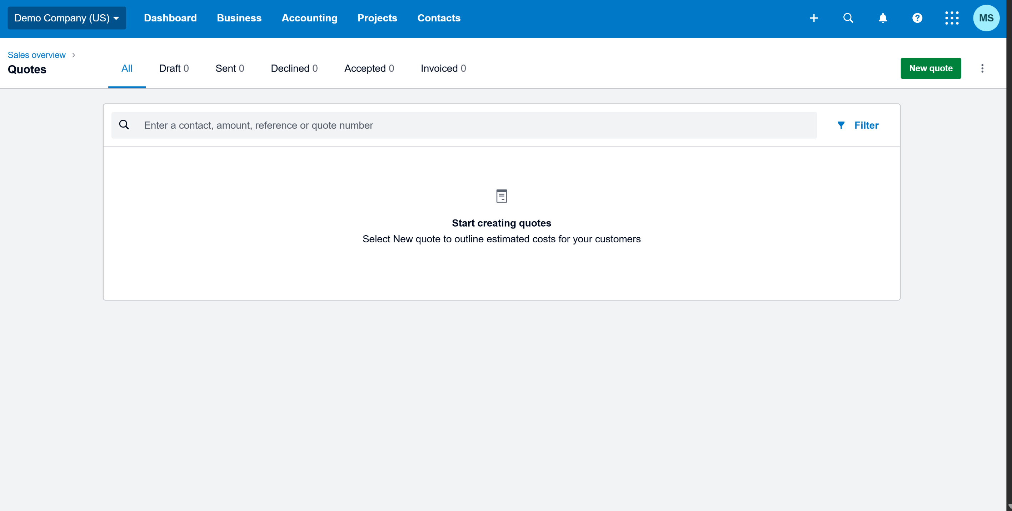

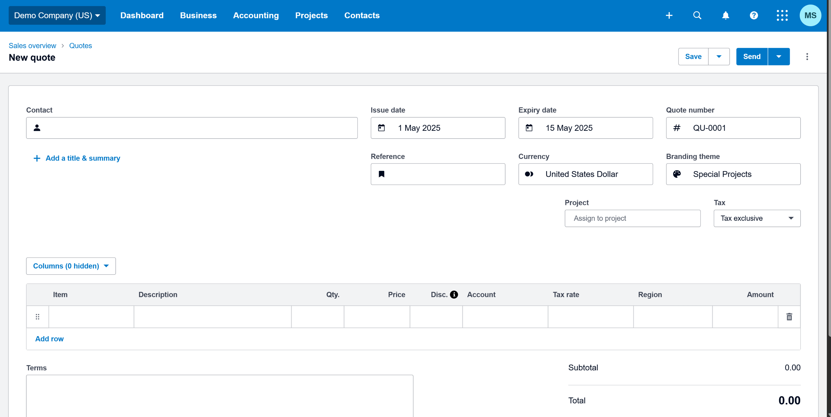

Test Case 12
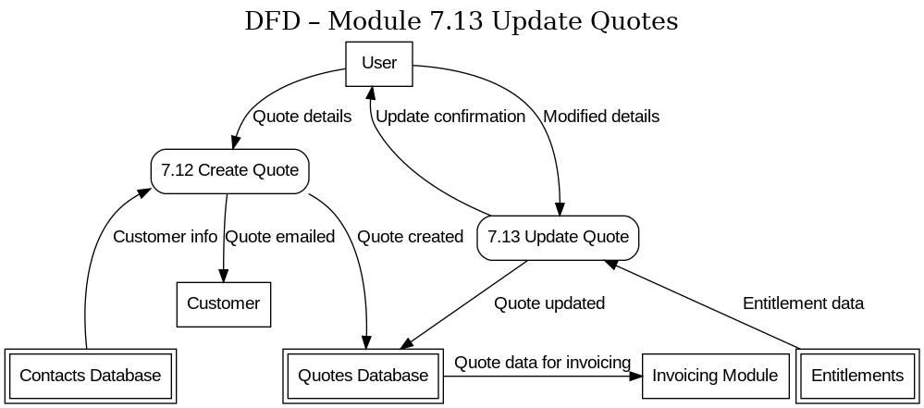
TC Title: | TC12. Create Quotes - Data Flow Out Testing(DF-Out)

TC Objective: | Verify that quote data flows out to other modules. In particular, ensure that a created quote can be used in the invoicing process (e.g., converting a quote to an invoice), demonstrating that the quote information is accessible outside the quotes module.

Test Data (optional): | Credentials: adviser@xerodemo.com / Adviser@1234 ; Quote: "Q-004" for Customer "John Doe"

TC Description
 | Step | Step Description | Expected Results
 | 1 | Log in to Xero Demo Company as Admin | Login is successful.
 | 2 | Create a new quote for "Global Corp" with one or more items. | Quote Q-1001 for "Global Corp" is saved and marked appropriately
 | 3 | Navigate to “Sales” > “Invoices” and click “New Invoice” to start creating an invoice. | Invoice form loads.
 | 4 | In the New Invoice form, select "Global Corp" as the customer in the Contact field. | "Global Corp" is selected. Because "Global Corp" currently has an open/accepted quote Q-1001, the system detects this.
 | 5 | Click a button or link that says “Add Quote to Invoice” or “Convert Quote” if it appears. | The system fetches the details from Quote Q-1001. The invoice form is now populated with the quote’s data – the line items from the quote
 | 6 | Verify that all relevant quote information has flowed into the invoice draft. | The invoice total matches what the quote total was.
 | 7 | Complete the invoice creation by clicking “Approve” or “Save” on the invoice form. | The invoice is saved/approved
 | 8 | Navigate to “Quotes” and check the status of Q-1001 | The quote Q-1001 is now marked as Invoiced or otherwise closed/updated (depending on Xero’s functionality) because it has been converted to an invoice.
 | 9 | Open the newly created invoice INV-305 and verify it references the originating quote | The content of the invoice matches the quote content

